Add or Remove a Filter
To remove a filter, click on the "funnel" button and click Clear Filter From "Topic" | Click on the arrow in the column you would like to filter. Click on (Select All) to uncheck all and then check the box(es) to filter
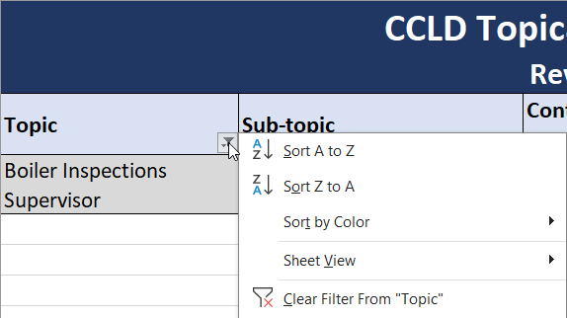 | 